Schematic
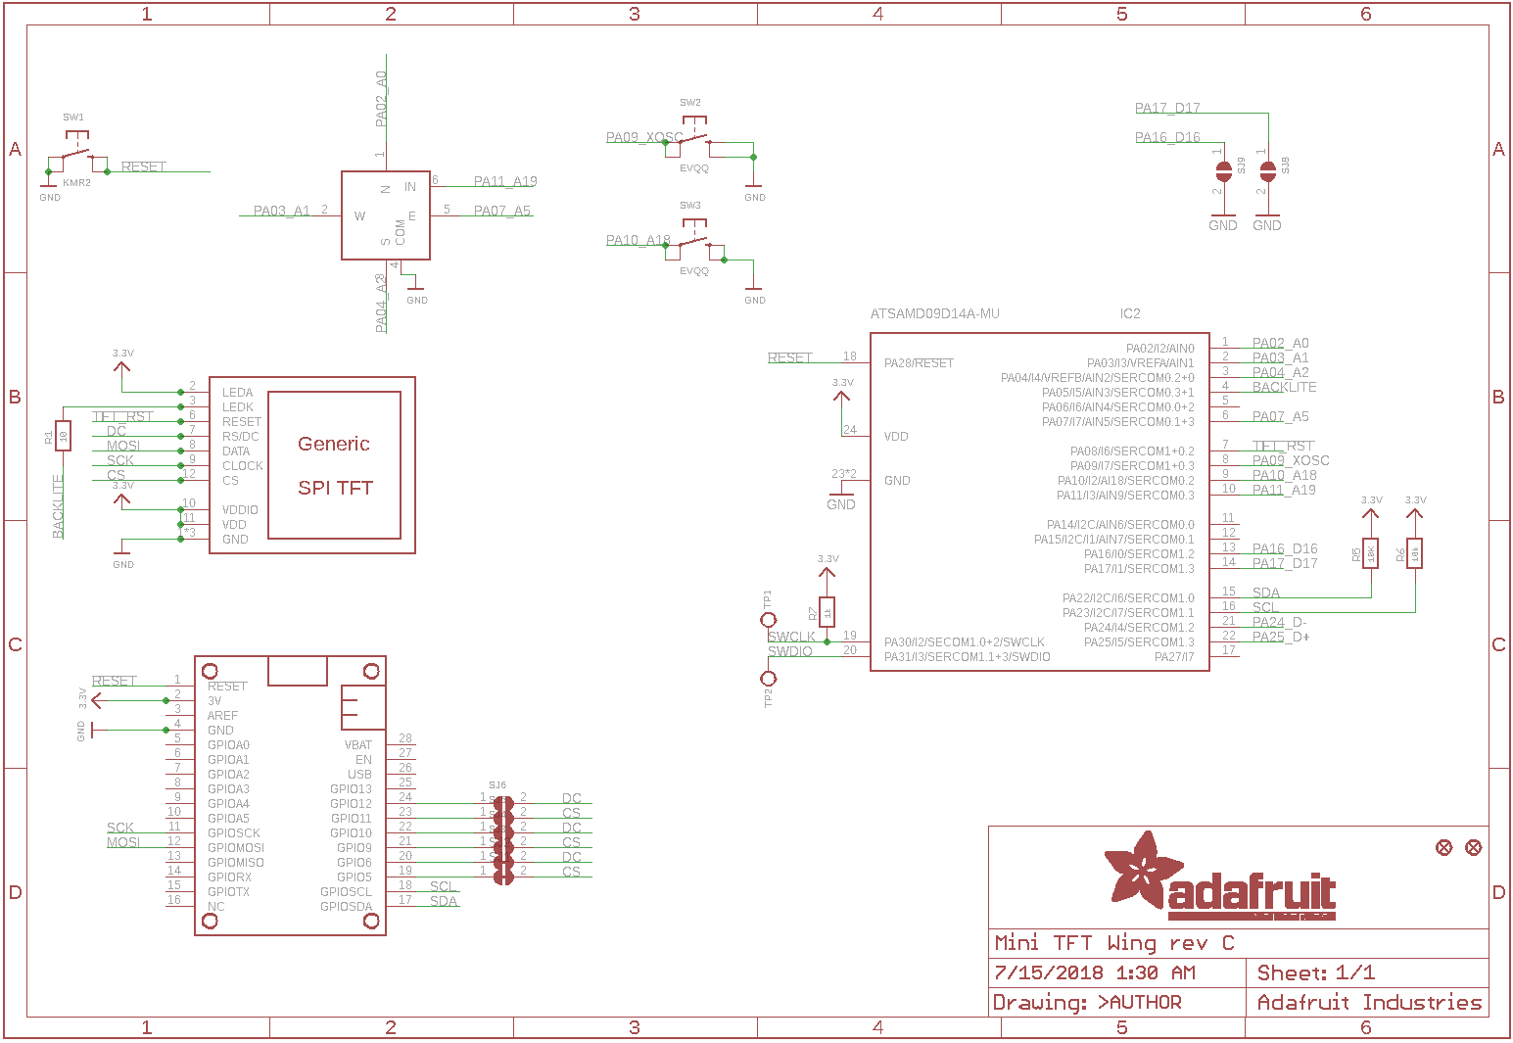
 |  | 5-Way Switch
 |  | GROUND
 | UP | 1 | 6 | SELECT
UP Pin 1
Button B Pin 8
Pin 18
 | LEFT | 2 | 5 | RIGHT
SELECT Pin 10
 | DOWN | 3 | 4 | GROUND

LEFT Pin 2
RIGHT Pin 6
 |  | Push for SELECT

Button A Pin 9
DOWN Pin 3
 | I have NO direct access to TFT_RST
 | Use Pin 7 for access.
MSB |  | PINS | Value | Binary | Actual
Fourth Byte | PA31:PA24 | 20, 19, x, 18, 17, x, 22, 21 | 211 | 11010011 | PA31:PA30 & PA28:PA27 & PA25:PA24
Third Byte | PA23:PA16 | 16, 15, x,x,x, x, 14, 13 | 195 | 11000011 | PA23:PA22 & PA17:PA16
Button_ABS | PA15:PA08 | 12, 11, x, x, 10, 9, 8, 7 | 207 | 11001111 | PA15:PA14 & PA11:PA08
Button_XY | PA07:PA00 | 6, 5, 4, 3, 2, 1, x, x | 220 | 11011100 | PA07:PA02
LSB |  | x = no pin assigned

LSB starts at PA00 even though there are no associated pins.

MSB
Fourth Byte Third Byte Button_ABS Button_XY
LSB
PA31:PA24 PA23:PA16 PA15:PA08 PA07:PA00
PINS
20, 19, x, 18, 17, x, 22, 21 16, 15, x,x,x, x, 14, 13,
12, 11, x, x, 10, 9, 8, 7
6, 5, 4, 3, 2, 1, x, x
x = no pin assigned
Value
211
195
206
220
Binary 11010011 11000011 11001110 11011100

PCB
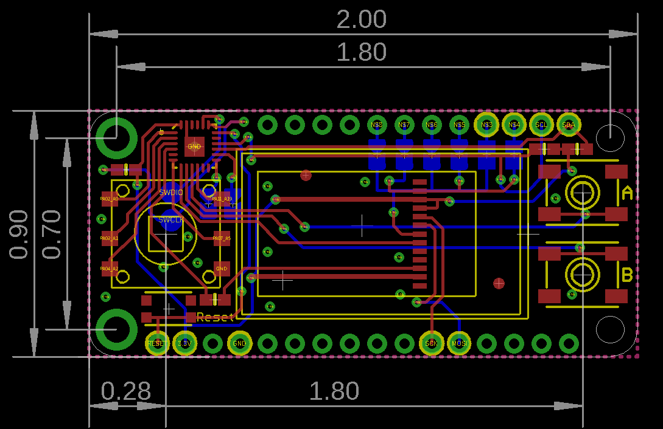
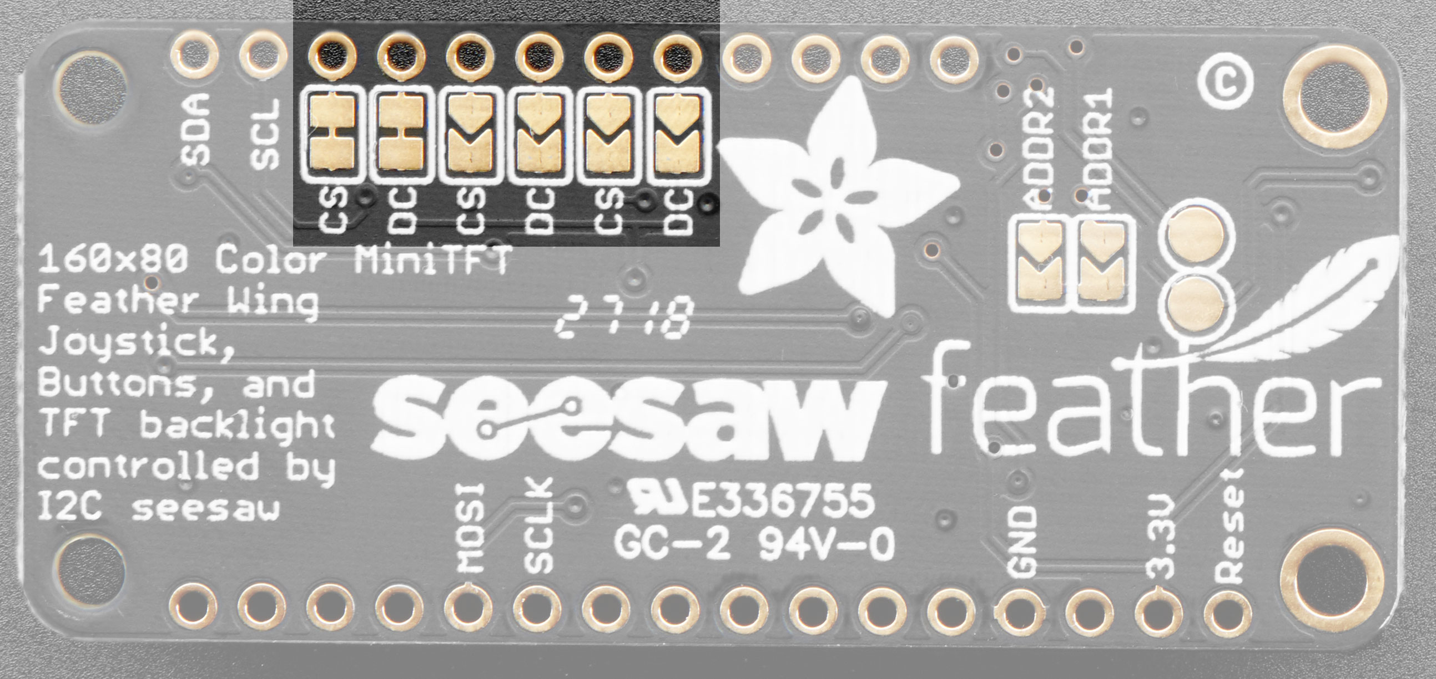

Top View

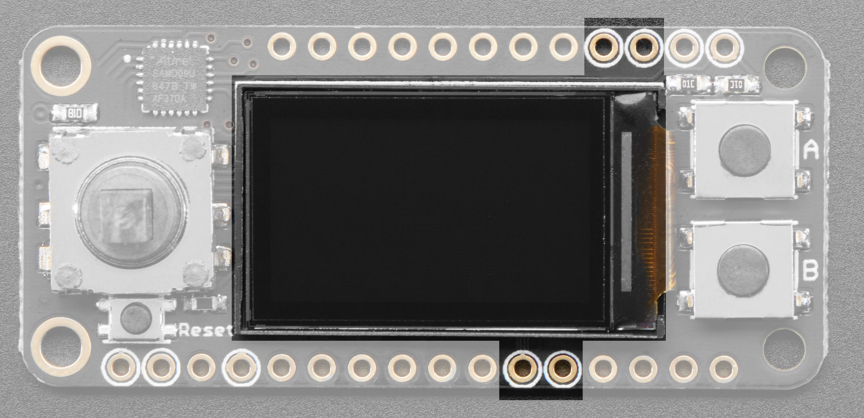

Pin 1

It appears that BLUE lines are on BOTTOM of Board. RED lines are on TOP of board.
Small green are feed throughs.

